Waterline Calc
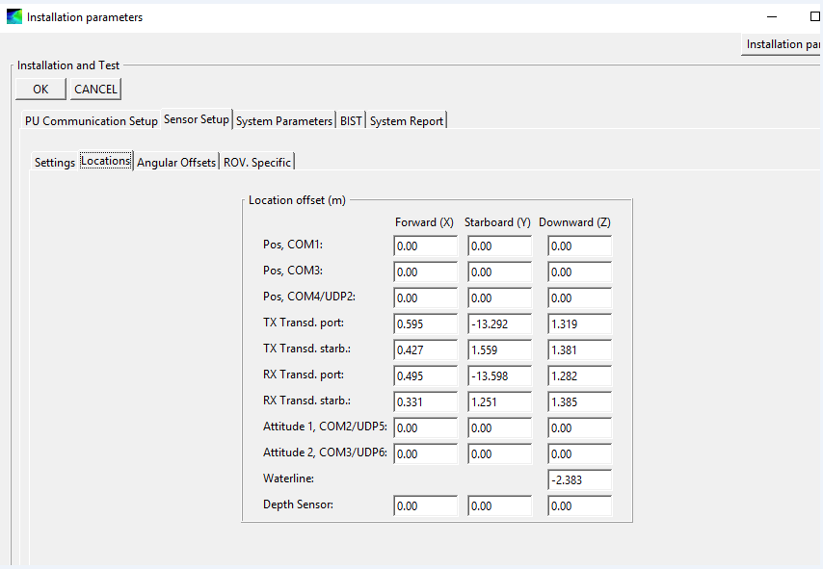
Ferdinand Hassler Waterline Measurements
Created: | 2023-02-26 | LT Patrick Debroisse
 |  |  |  | Procedure:
Port FWD | 3.25 |  |  | Measure from the waterline to the main deck at the 4 draft mark locations
Port AFT | 3.07 |  |  | Please those values into the green boxes.
STBD FWD | 3.41 |  |  | Waterline value is calculated in B17
STBD AFT | 3.15 |  |  | Place this value into SIS (Instalation parameters->locations) and Caris HVF (waterline NOTE: DO NOT update the Date)
 |  |  |  | Add the value to the historical waterline tab.
CALCULATION DATA. DO NOT CHANGE
AVG Port | 3.16
AVG STBD | 3.28
AVG Center | 3.22

granite to STBD IMU |  | -5.379 | Down

Caris/ SIS Waterline | -2.159 | Place this value into Caris HVF.
 |  | Place this value into SIS

